Bug Report
NO. | BUG REPORT ID | SUMMARY | STEP TO REPRODUCE | ACTUAL RESULT | EXPECTED RESULT | SEVERITY | PRIORITY | ATTACHMENT
1 | BD-LG-01 | User dapat login tanpa koneski internet | 1. open web https://www.saucedemo.com/ 2. fill Username and password <standard_user/secret_sauce> 3. Putus koneksi 3. Login | User berhasil login | User seharusnya gagal login | CRITICAL | HIGH | 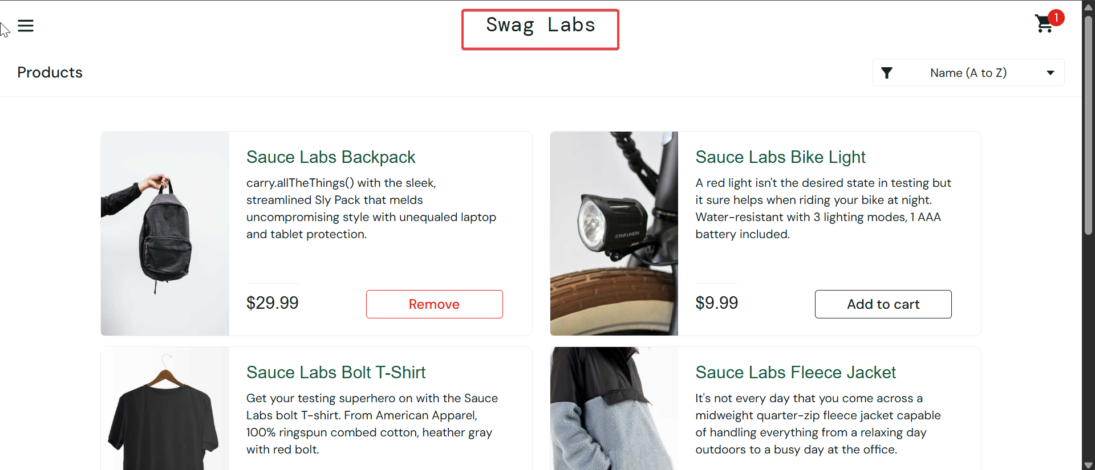
2 | BD-LG-02 | Saat User get invalid password error message nya sama dengan invalid username | 1. open web https://www.saucedemo.com/ 2. fill Username and password <standard_user/secret_sauce || Username atau Password salah satu salah> 3. Login | Display error message "Username and password do not match any user in this service" | Untuk Username yang salah display nya "Username do not match any user in this service" Untuk Passwordnya yang salah display nya "Password do not match user in this service"" | TRIVIAL | LOW | 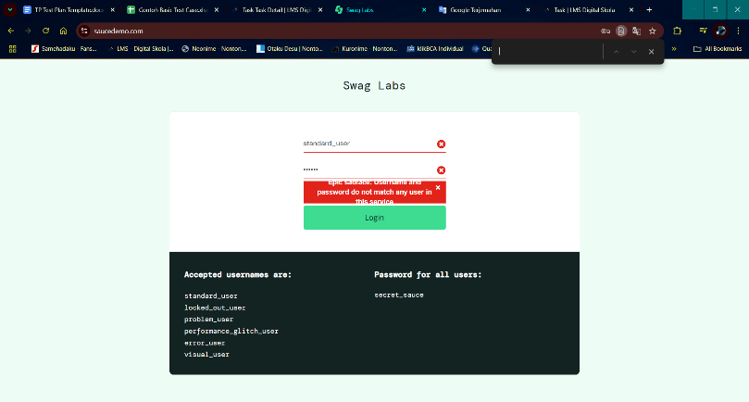 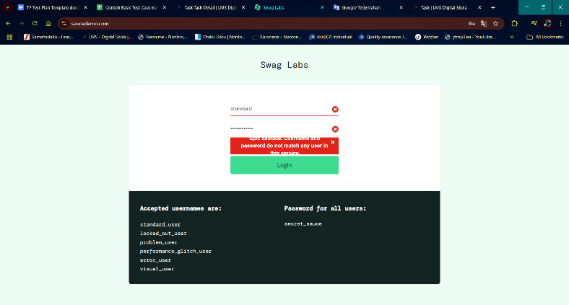
3 | BD-LG-03 | Reset App State on ☰ is passif bottom | 1. Open web https://www.saucedemo.com/ 2. fill Username and password <standard_user/secret_sauce> 3. Login 4. Add 1 item 5. Click ☰ -> Reset App State | Notting happen | After click Reset App State, it will reset all cart, aftar all cart was added | CRITICAL | HIGH | 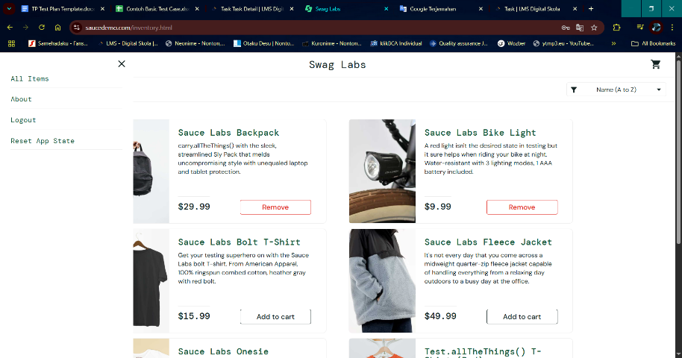
4 | BD-LG-04 | The Image the cart is wrong | 1. Open web https://www.saucedemo.com/ 2. fill Username and password <problem_user/secret_sauce> 3. Login | All cart is wrong | All Cart is fit with name cart | CRITICAL | HIGH | 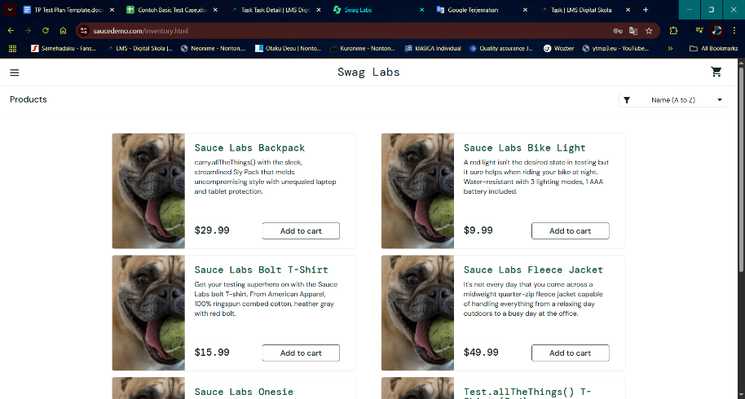
5 | BD-LG-05 | User can,t update more Quantity | 1. Open web https://www.saucedemo.com/ 2. fill Username and password <standard_user/secret_sauce> 3. Login 4. add 1 item 5. Click Cart 6. Edit Quality the item | Quantity of the item can,t be edit | Quantity of the item update | CRITICAL | HIGH | 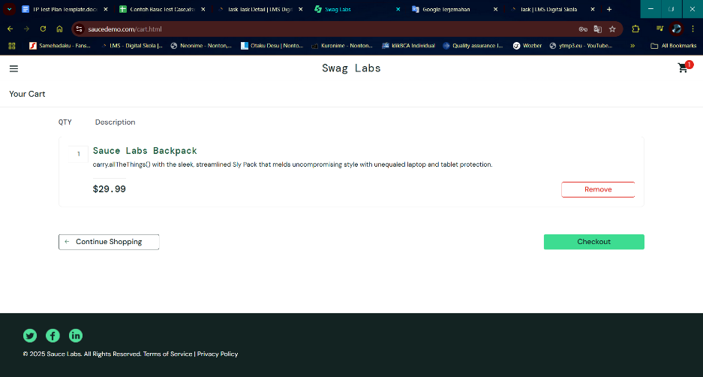
6 | BD-LG-06 | User cant see the last transaction after checkout | 1. Open web https://www.saucedemo.com/ 2. fill Username and password <standard_user/secret_sauce> 3. Login 4. add 1 item 4. Fill Check out: your information -> Continue 5. Checkout: overview -> Finish | There's no recent the transaction | There more bottom on inventory page that you can see all transaction that you done checkout | CRITICAL | HIGH | 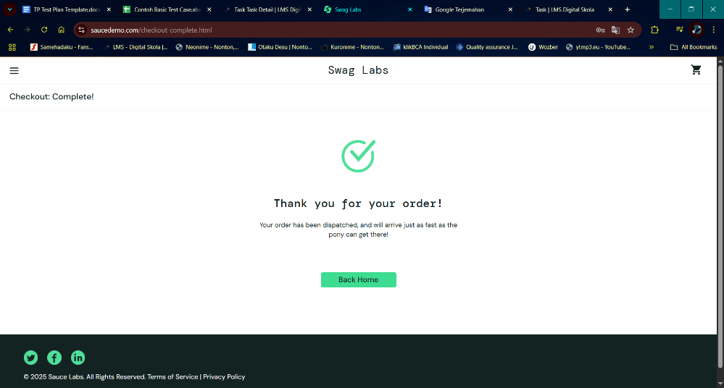
7 | BD-LG-07 | This inventory menu looks messy | 1. Open web https://www.saucedemo.com/ 2. fill Username and password <visual_user/secret_sauce> 3. Login | The bottom cart actually not there | The bottom cart should be on top right inventory page | CRITICAL | MEDIUM | 